1. Full MOC
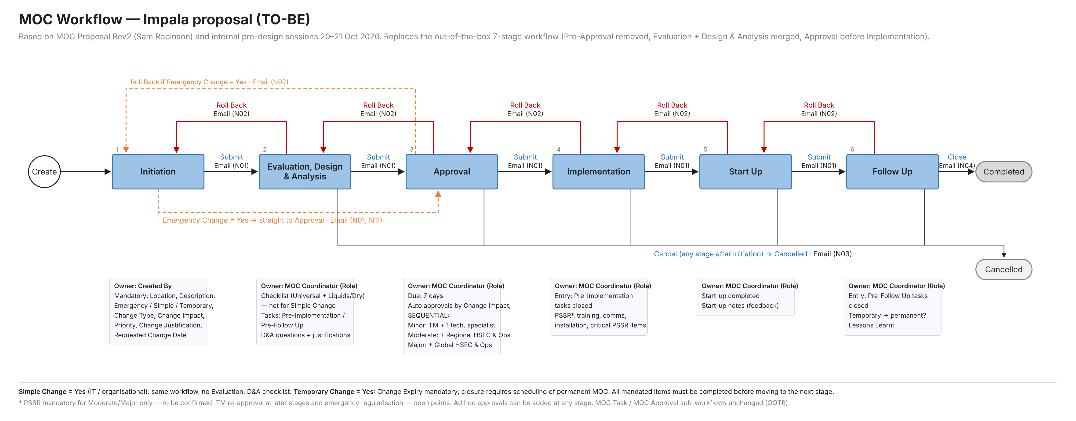
Full MOC workflow (Emergency = No, Simple = No)

Proposal
Stage # | Stage Name | In this variant
1 | Initiation | Yes
2 | Evaluation, Design & Analysis | Yes
3 | Approval | Yes
4 | Implementation | Yes
5 | Start Up | Yes
6 | Follow Up | Yes

Detailed workflow (Intelex workbook format)
Stage # | Stage Name | Record Status | Stage Owner | Due Date | Workflow Buttons | Workflow Path | Email Template # | Comments
1 | Initiation | Initiation | Created By (Field) | N/A | Submit | If 'Emergency Change' = Yes: to 'Approval' Else: to 'Evaluation, Design & Analysis' | N01 | Recipient(s): Change Requester Mandatory: Location, Description, Emergency, Simple, Temporary, Change Type, Change Impact, Priority, Change Justification, Requested Change Date.
2 | Evaluation, Design & Analysis | Evaluation, Design & Analysis | MOC Coordinator (Role) | N/A | Submit | To 'Approval' | N01 | Recipient(s): Change Requester Checklist answered (not for Simple Change), D&A questions + justifications, documents attached.
 |  |  |  |  | Roll Back | Back to 'Initiation' | N02 | Recipient(s): Change Requester
 |  |  |  |  | Cancel |  | N03 | Recipient(s): Change Requester
3 | Approval | Approval | MOC Coordinator (Role) | 7 days | Submit | To 'Implementation' | N01 / N08 | Recipient(s): Change Requester Mandated approvals by Change Impact, sequential Local > Regional > Global; ad hoc approvals allowed.
 |  |  |  |  | Roll Back | If Emergency = Yes: back to 'Initiation' Else: back to 'Evaluation, Design & Analysis' | N02 | Recipient(s): Change Requester
 |  |  |  |  | Cancel |  | N03 | Recipient(s): Change Requester
4 | Implementation | Implementation | MOC Coordinator (Role) | N/A | Submit | To 'Start Up' | N01 | Recipient(s): Change Requester Entry only with Pre-Implementation tasks closed. PSSR, training, comms, installation, critical PSSR items.
 |  |  |  |  | Roll Back | Back to 'Approval' | N02 | Recipient(s): Change Requester
 |  |  |  |  | Cancel |  | N03 | Recipient(s): Change Requester
5 | Start Up | Start Up | MOC Coordinator (Role) | N/A | Submit | To 'Follow Up' | N01 | Recipient(s): Change Requester Start-up completed, notes.
 |  |  |  |  | Roll Back | Back to 'Implementation' | N02 | Recipient(s): Change Requester
 |  |  |  |  | Cancel |  | N03 | Recipient(s): Change Requester
6 | Follow Up | Follow Up | MOC Coordinator (Role) | N/A | Close |  | N04 | Recipient(s): Change Requester Entry only with Pre-Follow Up tasks closed. Temporary -> permanent MOC; Lessons Learnt.
 |  |  |  |  | Roll Back | Back to 'Start Up' | N02 | Recipient(s): Change Requester
 |  |  |  |  | Cancel |  | N03 | Recipient(s): Change Requester

Workflow diagram

2. Emergency
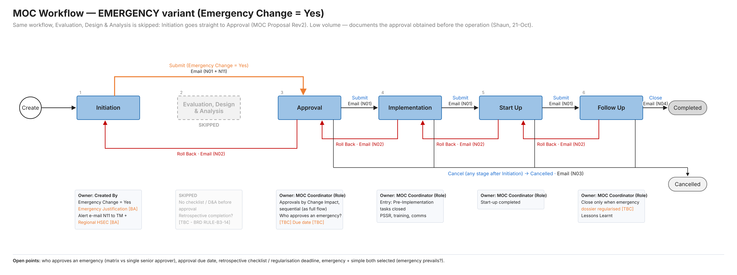
Emergency variant (Emergency Change = Yes)

Proposal
Stage # | Stage Name | In this variant
1 | Initiation | Yes
2 | Evaluation, Design & Analysis | Skipped
3 | Approval | Yes - approver [TBC]
4 | Implementation | Yes
5 | Start Up | Yes
6 | Follow Up | Yes

Detailed workflow (Intelex workbook format)
Stage # | Stage Name | Record Status | Stage Owner | Due Date | Workflow Buttons | Workflow Path | Email Template # | Comments
1 | Initiation | Initiation | Created By (Field) | N/A | Submit | Emergency Change = Yes: straight to 'Approval' | N01 + N11 [BA] | Recipient(s): Change Requester, MOC Coordinator N11 alert to Terminal Manager + Regional HSEC [BA]. Emergency Justification mandatory [BA].
2 | Evaluation, Design & Analysis | - | - | - | - | SKIPPED | - | Retrospective completion of checklist / dossier? [TBC - BRD RULE-B3-14]
3 | Approval | Approval | MOC Coordinator (Role) | [TBC] (urgent) | Submit | To 'Implementation' | N01 / N08 | Recipient(s): Change Requester Approvals by Change Impact (as full flow) or single senior approver? [TBC]
 |  |  |  |  | Roll Back | Back to 'Initiation' | N02 | Recipient(s): Change Requester
 |  |  |  |  | Cancel |  | N03 | Recipient(s): Change Requester
4 | Implementation | Implementation | MOC Coordinator (Role) | N/A | Submit | To 'Start Up' | N01 | Recipient(s): Change Requester Same as full flow.
 |  |  |  |  | Roll Back | Back to 'Approval' | N02 | Recipient(s): Change Requester
 |  |  |  |  | Cancel |  | N03 | Recipient(s): Change Requester
5 | Start Up | Start Up | MOC Coordinator (Role) | N/A | Submit | To 'Follow Up' | N01 | Recipient(s): Change Requester Same as full flow.
 |  |  |  |  | Roll Back | Back to 'Implementation' | N02 | Recipient(s): Change Requester
 |  |  |  |  | Cancel |  | N03 | Recipient(s): Change Requester
6 | Follow Up | Follow Up | MOC Coordinator (Role) | N/A | Close |  | N04 | Recipient(s): Change Requester Close only when the emergency dossier is regularised [TBC].
 |  |  |  |  | Roll Back | Back to 'Start Up' | N02 | Recipient(s): Change Requester
 |  |  |  |  | Cancel |  | N03 | Recipient(s): Change Requester

Workflow diagram

